HDFCMNCFND

HDFC MNC Fund (AN OPEN-ENDED GROWTH SCHEME) |  |  |  |  |  |  |  |  |  | Income | Hybrid
Portfolio as on 31-Mar-2023

 | ISIN | Coupon (%) | Name Of the Instrument | Industry+ /Rating | Quantity | Market/ Fair Value (Rs. in Lacs.) | % to NAV | Yield | ~YTC (AT1/Tier 2 bonds)
 | EQUITY & EQUITY RELATED
 | (a) Listed / awaiting listing on Stock Exchanges
 | Equity
l | INE030A01027 |  | Hindustan Unilever Ltd. | Diversified FMCG | 70,000 | 1,792.25 | 5.15
l | INE585B01010 |  | Maruti Suzuki India Limited | Automobiles | 20,000 | 1,658.43 | 4.77
l | INE536H01010 |  | Mahindra CIE Automotive Ltd | Auto Components | 418,500 | 1,468.10 | 4.22
l | INE854D01024 |  | United Spirits Limited | Beverages | 180,000 | 1,361.34 | 3.92
l | INE042A01014 |  | ESCORTS LTD. | Agricultural, Commercial & Construction Vehicles | 40,000 | 756.42 | 2.18
l | INE003A01024 |  | Siemens Ltd. | Electrical Equipment | 21,000 | 698.70 | 2.01
l | INE640A01023 |  | SKF India Ltd. | Industrial Products | 16,000 | 680.92 | 1.96
l | INE061F01013 |  | Fortis Healthcare Limited | Healthcare Services | 250,000 | 649.75 | 1.87
l | INE356A01018 |  | MphasiS Limited. | IT - Software | 35,000 | 628.51 | 1.81
l | INE068V01023 |  | Gland Pharma Ltd. | Pharmaceuticals & Biotechnology | 32,300 | 409.64 | 1.18
 | INE058A01010 |  | Sanofi India Limited | Pharmaceuticals & Biotechnology | 5,900 | 338.39 | 0.97
 | INE256A01028 |  | Zee Entertainment Enterprises Ltd. | Entertainment | 158,393 | 336.19 | 0.97
 | INE533A01012 |  | Goodyear India Ltd. | Auto Components | 10,709 | 114.47 | 0.33
 | INE274F01020 |  | Westlife Foodworld Limited | Leisure Services | 12,300 | 84.05 | 0.24
 | Sub Total |  |  |  |  | 10,977.16 | 31.58
 | Total |  |  |  |  | 10,977.16 | 31.58
 | MONEY MARKET INSTRUMENTS
 | TREPS - Tri-party Repo
 |  |  | TREPS - Tri-party Repo |  |  | 23,783.43 | 68.40 | 6.9086
 | Sub Total |  |  |  |  | 23,783.43 | 68.40
 | Total |  |  |  |  | 23,783.43 | 68.40
 | OTHERS
 | Net Current Assets
 |  |  | Net Current Assets |  |  | 8.06 | 0.02
 | Sub Total |  |  |  |  | 8.06 | 0.02
 | Total |  |  |  |  | 8.06 | 0.02

 | Grand Total |  |  |  |  | 34,768.65 | 100.00
| | Top Ten Holdings
 | + Industry Classification as recommended by AMFI
 | £ - Sponsor Company
 | ** Thinly Traded/ Non-Traded Securities (Equity) as on March 31, 2023
 | ^ Non-Traded Securities (Debt) as on March 31, 2023
 | # Non Sensex Scrips
 | @ Less than 0.01%.
 | ~ YTC i.e. Yield to Call is disclosed at security level only for Additional Tier 1 Bonds and Tier 2 Bonds issued by Banks as per AMFI Best Practices Notification 135/BP/91/2020-21 read with SEBI circular SEBI/HO/IMD/DF4/CIR/P/2021/034

 | Portfolio Classification by Industry(%)
 | Diversified FMCG |  | 5.15
 | Automobiles |  | 4.77
 | Auto Components |  | 4.55
 | Beverages |  | 3.92
 | Agricultural, Commercial & Construction Vehicles |  | 2.18
 | Pharmaceuticals & Biotechnology |  | 2.15
 | Electrical Equipment |  | 2.01
 | Industrial Products |  | 1.96
 | Healthcare Services |  | 1.87
 | IT - Software |  | 1.81
 | Entertainment |  | 0.97
 | Leisure Services |  | 0.24
 | Cash, Cash Equivalents and Net Current Assets |  | 68.42

 | Notes :
 | 1) NAV History
 | NAVs per unit (Rs.) | March 31, 2023 | February 28, 2023#
 | IDCW Plan | 9.987 | NA
 | IDCW Option Direct Plan | 9.994 | NA
 | Growth Plan | 9.987 | NA
 | Growth Option Direct Plan | 9.994 | NA
 | # the Net Asset Values as on February 28, 2023 are not available as the scheme allotment is done during the month ended March 31, 2023

 | Dividend History - Dividend declared during the month ended March 31, 2023 : Nil

 | Bonus History - Bonus declared during the month ended March 31, 2023: Nil

 | 2) Total below investment grade or default provided for and its percentage to NAV : Nil
 | 3) Total investments in Foreign Securities / Overseas ETFs / ADRs / GDRs : Nil
 | 4) Repo in Corporate Debt : Nil
 | 5) Total outstanding exposure in Derivative Instruments as on Mar 31, 2023 : Nil
 | 6) Total value and percentage of Illiquid Equity Shares : Nil
 | 7) Pursuant to SEBI Circular SEBI/HO/IMD/DF3/CIR/P/2020/194 dated October 05, 2020, name of all the existing dividend plan / option of all mutual fund schemes has been renamed as IDCW (Income Distribution cum Capital Withdrawal) Plan / Option with effect from April 01, 2021
 | 8) Riskometer based on Scheme Portfolio and Portfolio Benchmark "NIFTY MNC" as on Mar 31, 2023

 | Scheme Riskometer:
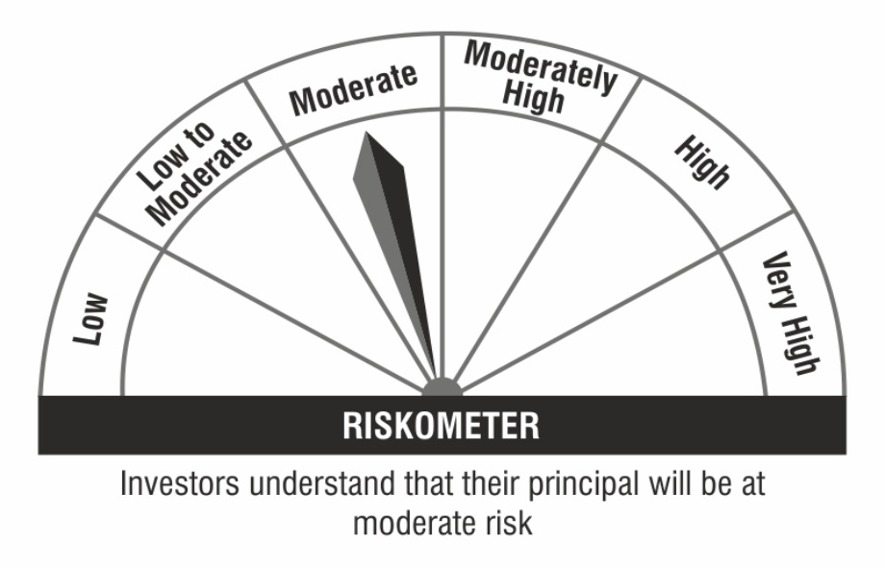

 | Benchmark Riskometer:

